Schematic1
System name |  |  | ARTISAN BRIDGE |  | Document name | Schematic design |  | WBS No. | 1.3.2 | Designer / Date | Đào Trúc Linh, Đỗ Tiến Quang | 2026-02-01

 | 1 Schematic design
 |  | 1.1 System Objectives
 |  |  | The objective of this system is to support Users from Travel Agencies in finding, evaluating, and connecting with suitable service providers in
 |  |  | Craft Villages when their current partner network does not meet their needs.

 |  | 1.2 System Main Functions
 |  |  | The main functions of this system are as follows.
 |  |  | i. Authentication & Access Control Function: Provides registration, secure login, and role-based access management to all actors
 |  |  | ii. Profile Management Function: Provides capabilities for travel agencies and local providers to manage their organization information and services,
 |  |  | while allowing administrators to view and monitor these profiles
 |  |  | iii. AI Tour Matching Function: Provides AI-driven recommendations to help travel agencies intelligently discover suitable craft villages and
 |  |  | experiences based on their specific needs
 |  |  | iv. Explore Function: Provides a centralized, personalized directory for travel agencies to browse and discover tour activities
 |  |  | craft villages to facilitate negotiation and feedback
 |  |  | v. Schedule & Booking Management Function: Provides tools to manage the complete booking lifecycle, track availability, and synchronize
 |  |  | schedules between agencies and providers
 |  |  | vi. Communication & Interaction Function: Provides real-time direct messaging features to facilitate negotiation and coordination between
 |  |  | travel agencies and local providers
 |  |  | vii. Administration Function: Provides dashboard analytics and monitoring tools for local authorities and the Department of Tourism to
 |  |  | oversee platform activities

 |  | 1.3a Context Diagram

 |  |  |  |  |  |  | Figure 1: Context diagram

 |  | 1.3b System Overall Configuration
 |  |  | This system provides services via the Web in a client-server format, as shown below.
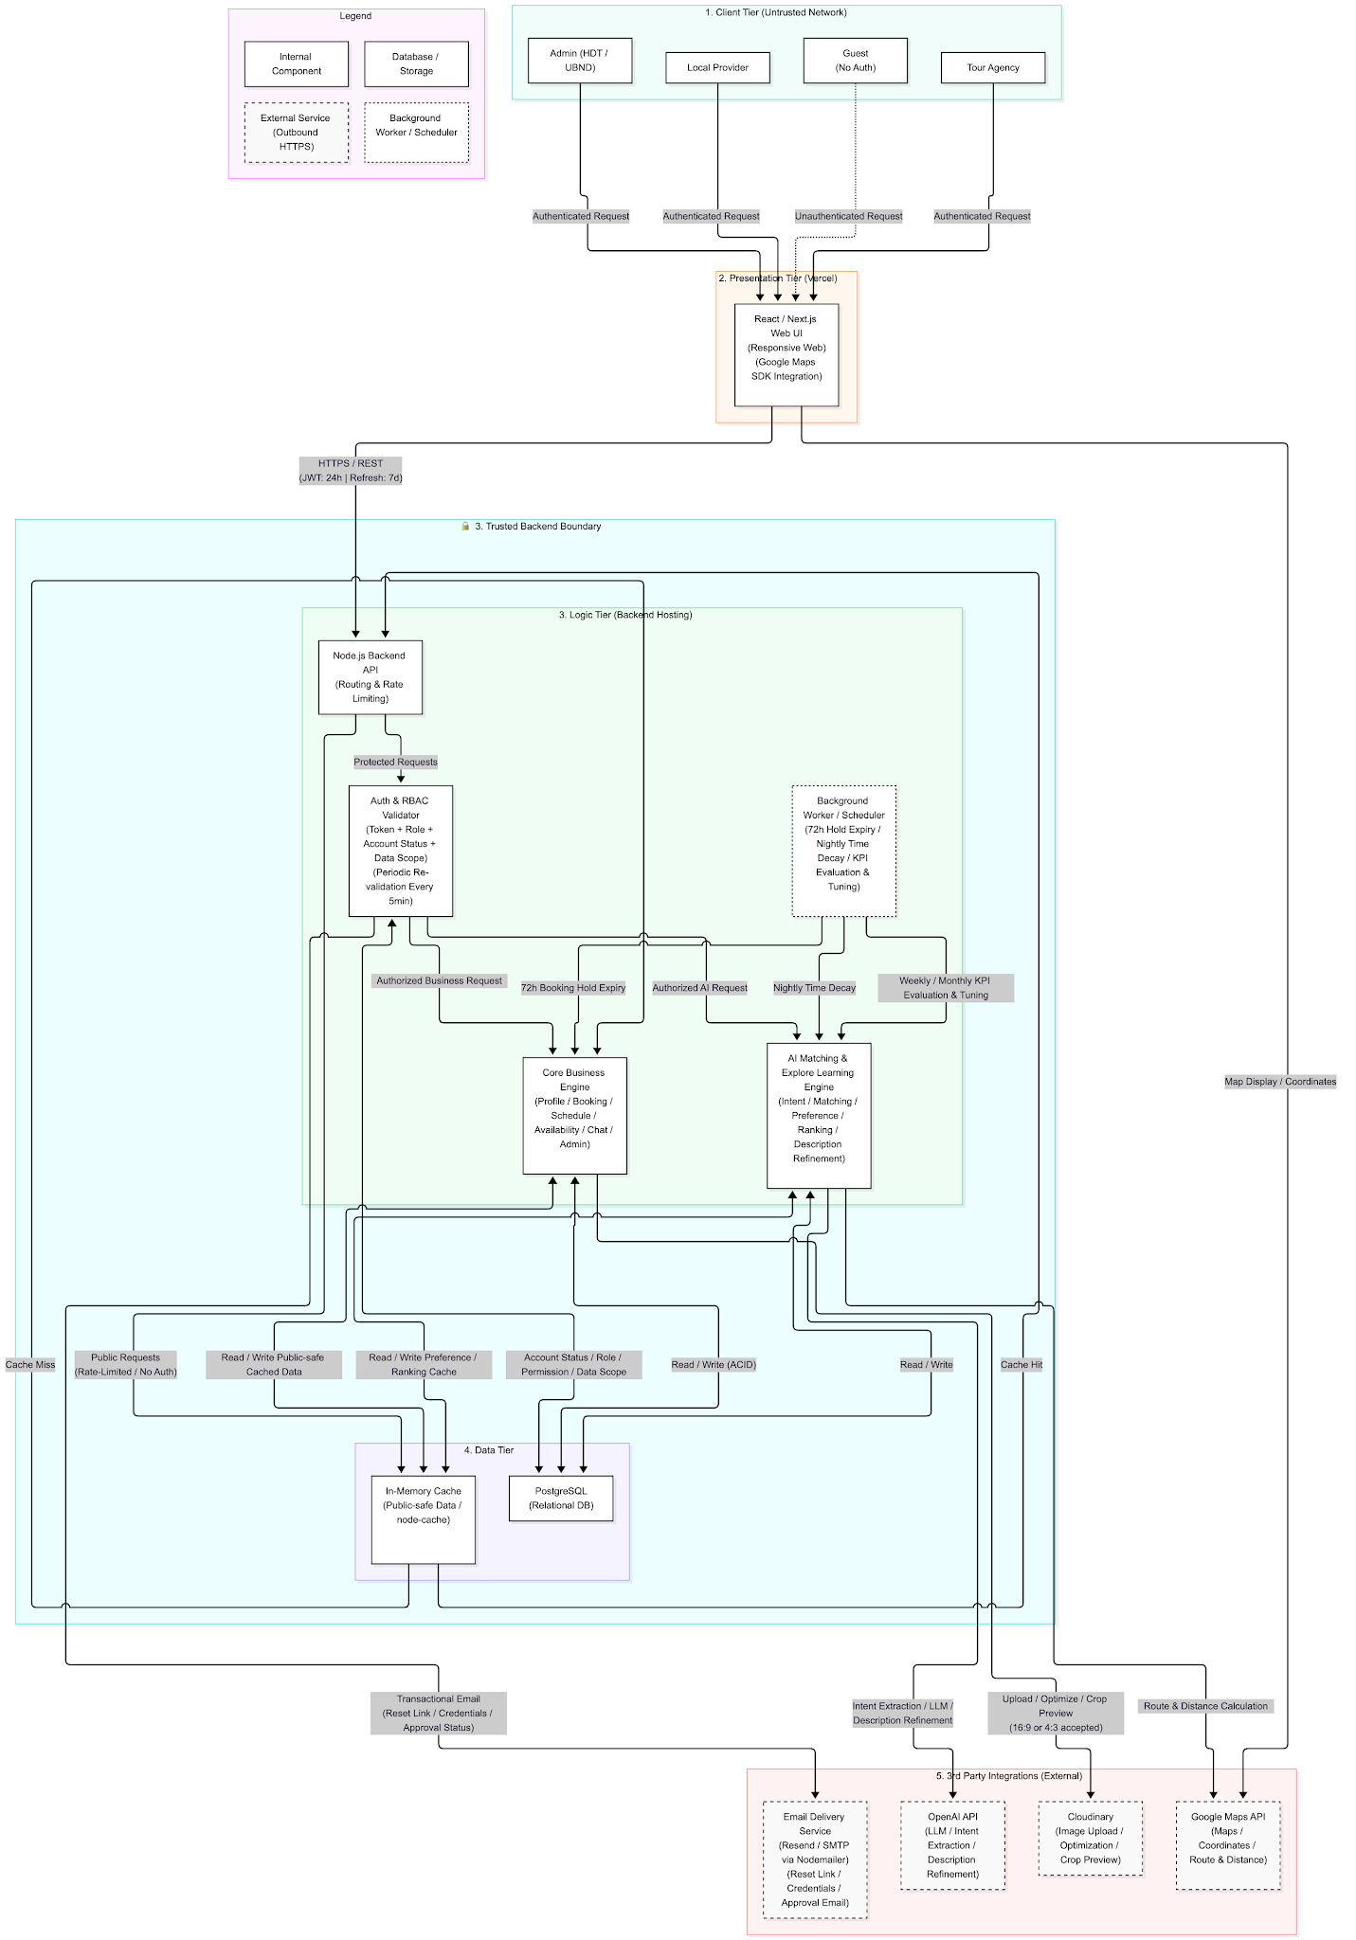

 |  |  |  | Figure 2: System configuration diagram

Schematic2
System name |  | ARTISAN BRIDGE |  |  | Document name | Schematic design | WBS No. | 1.3.2 | Designer / Date | Đào Trúc Linh, Vũ Minh Thư, Nguyễn Thị Minh Thư | 2026-02-01

 | 1.4 System usage flow
 |  | The general flow of tasks and operations using this system is as shown in the diagrams below.
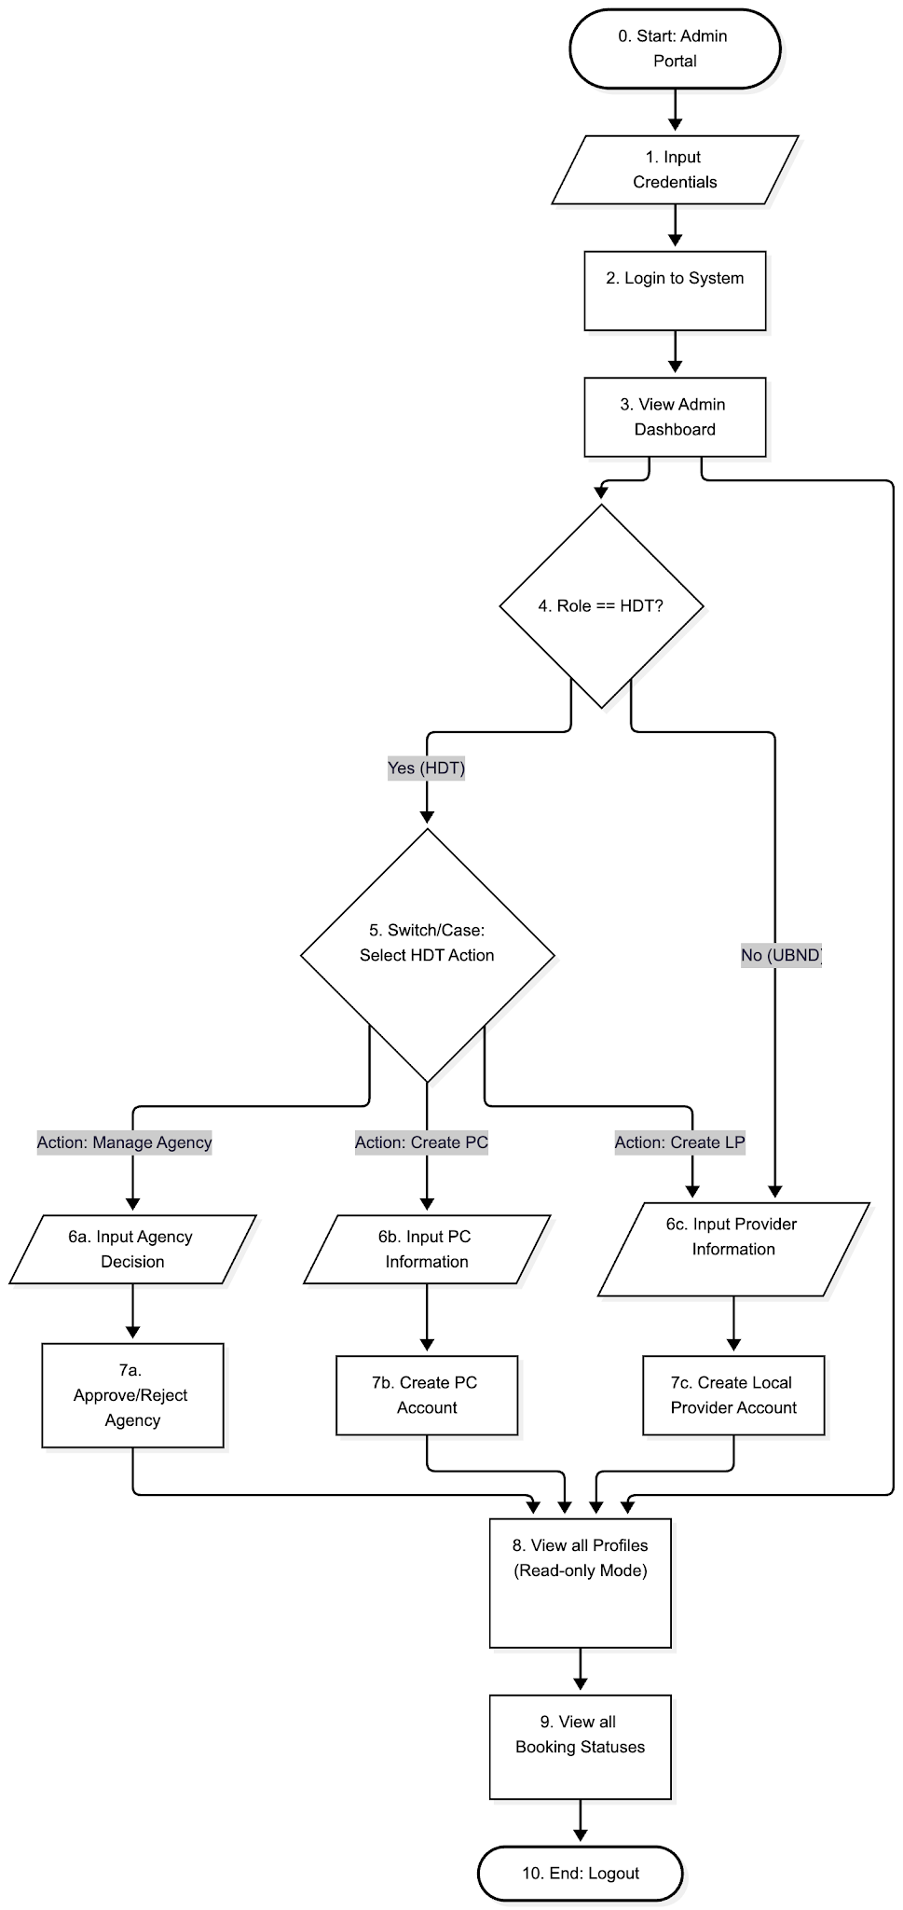

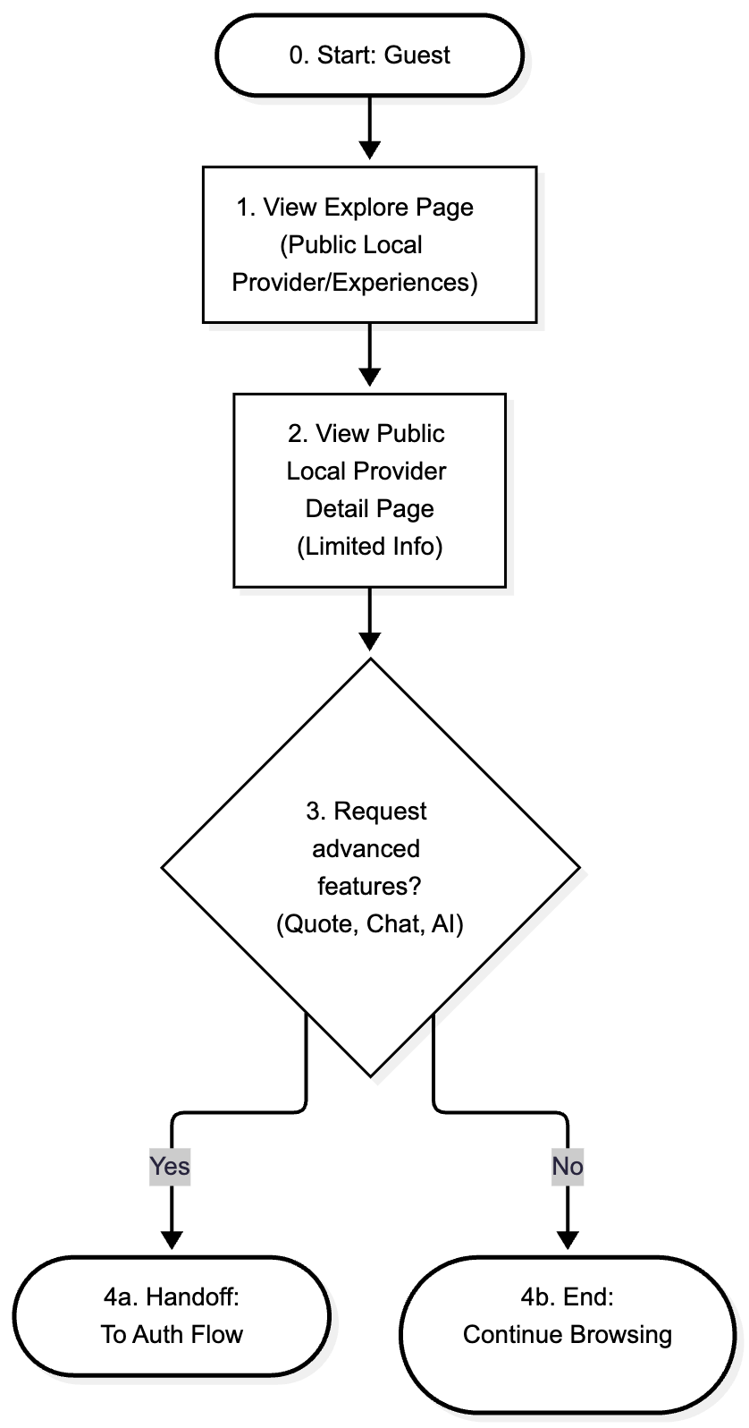

 |  |  |  | Figure 3: Flow of guest usage |  |  | Figure 4: Flow of admin usage

 |  |  |  | Figure 5: Flow of tour agency usage |  |  | Figure 6: Flow of local provider usage

 | 1.5 | Sequence diagram for key flows
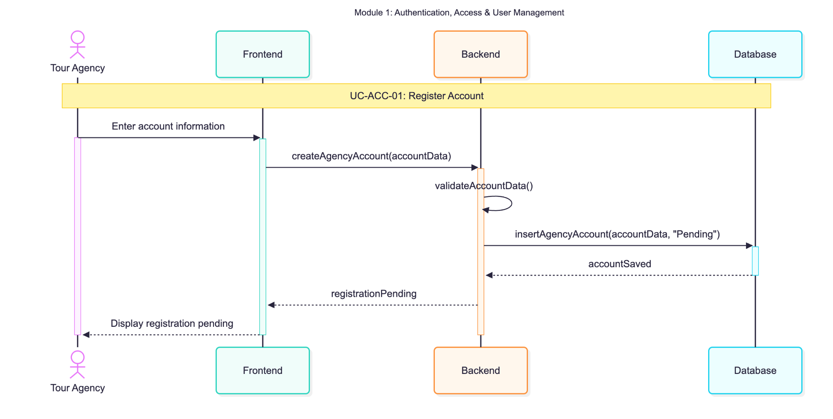

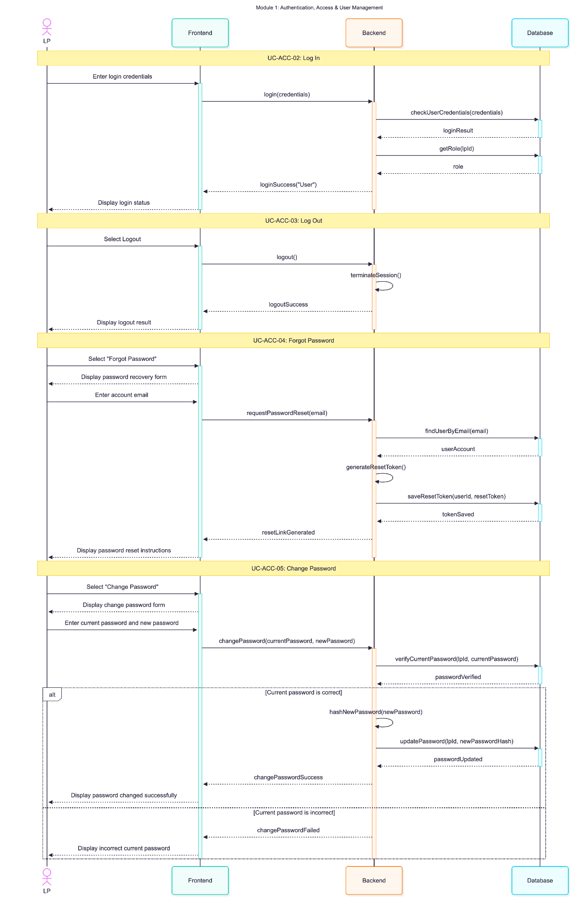

 |  |  |  |  |  |  | Figure 8: Authentication Sequence Diagram - Tour Agency

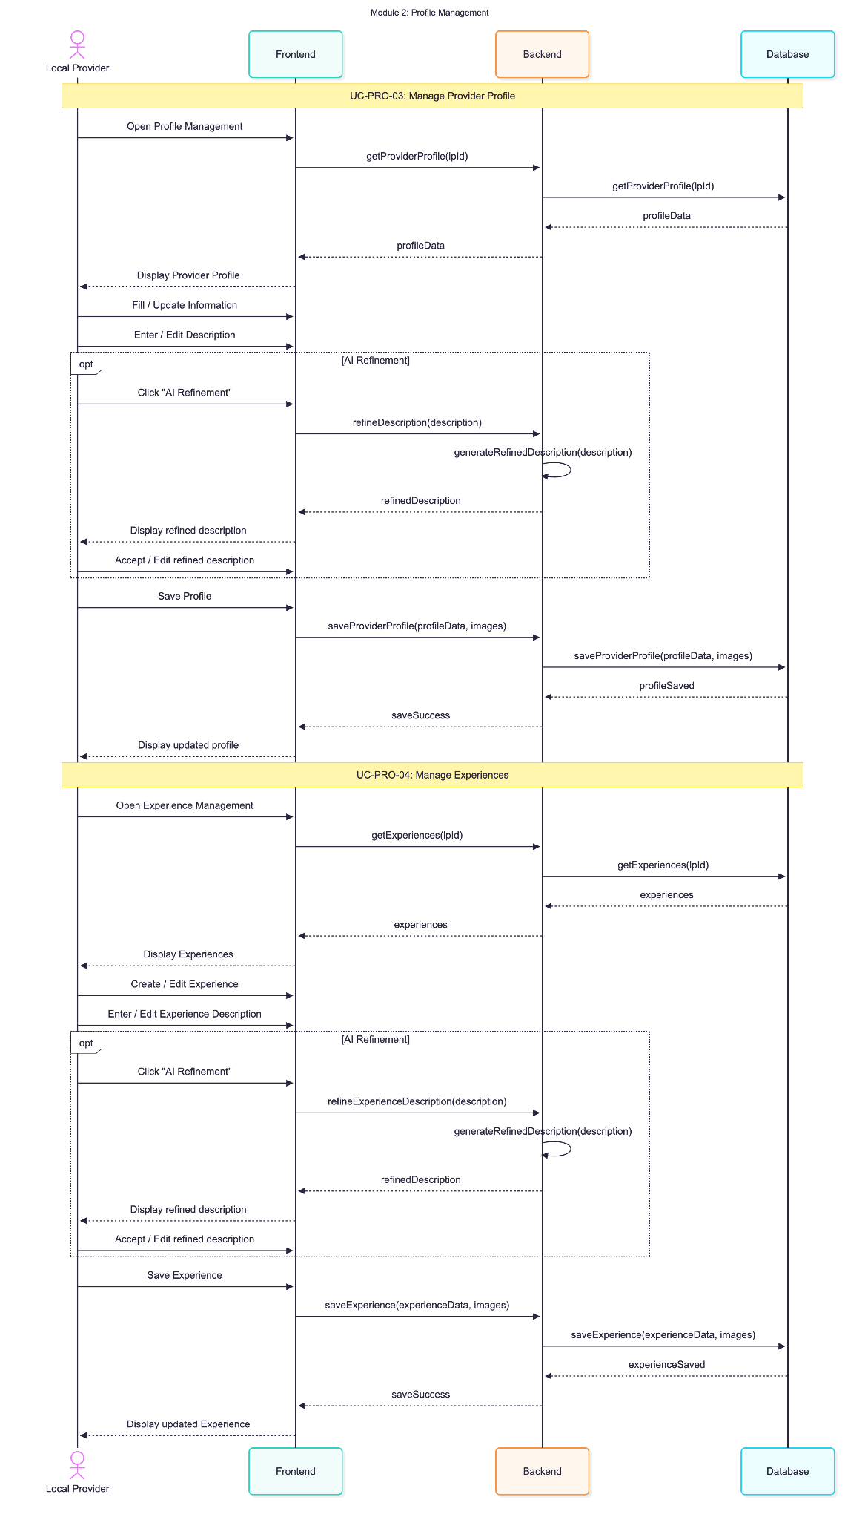

 |  |  | Figure 7: Authentication Sequence Diagram - Local Provider
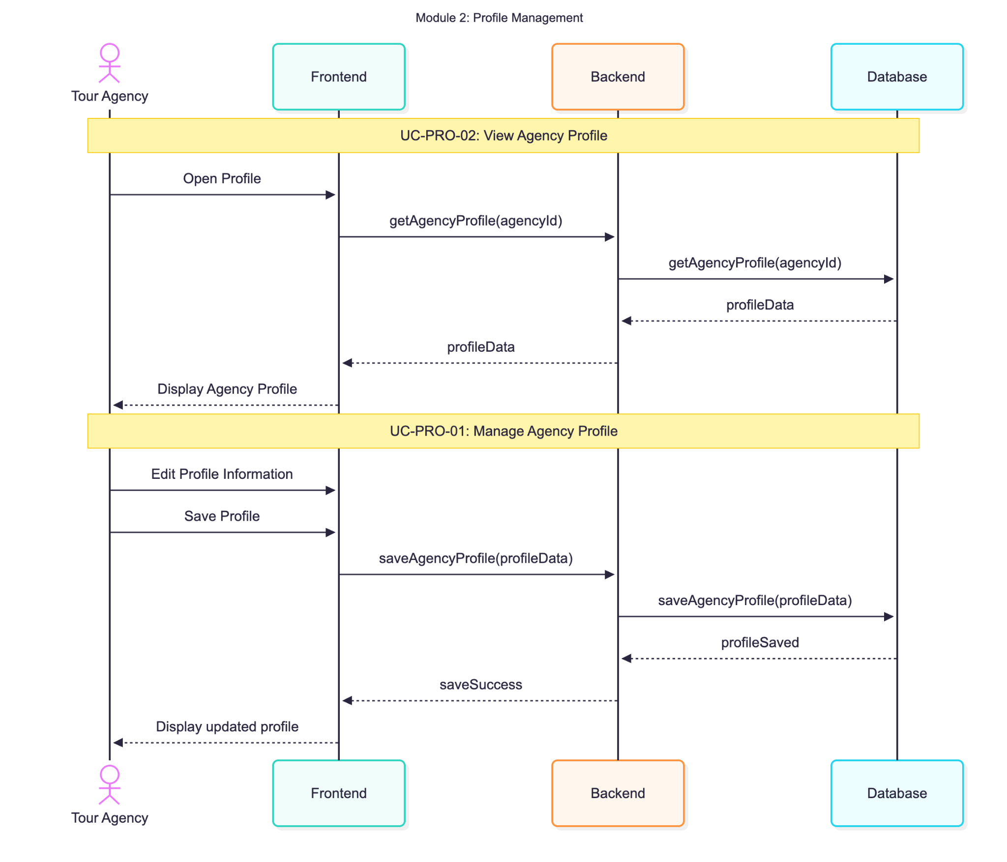

 |  |  | Figure 9: Profile Management Sequence Diagram - Tour Agency |  |  |  | Figure 10: Profile Managment Sequence Diagram - Local Provider

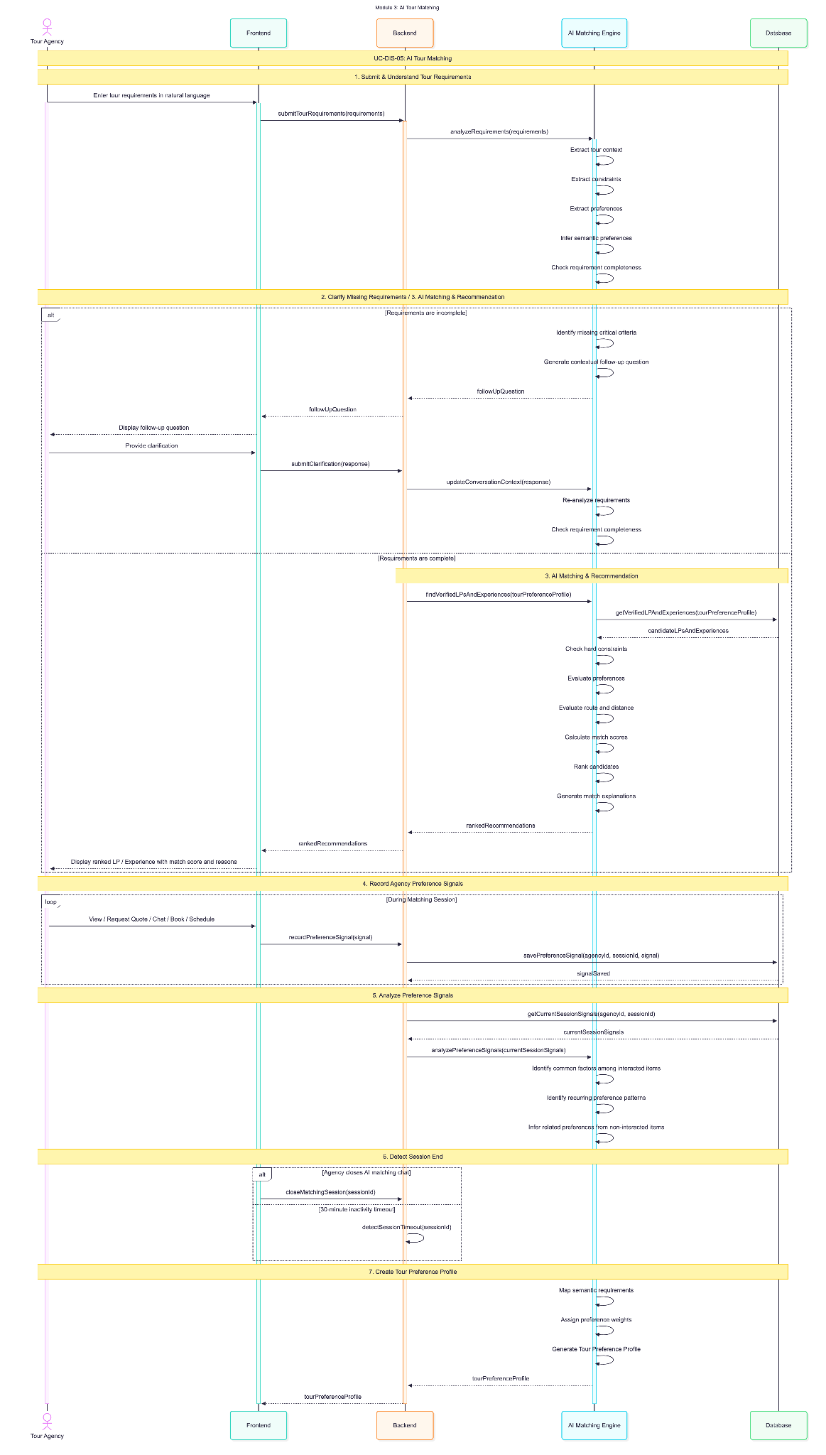
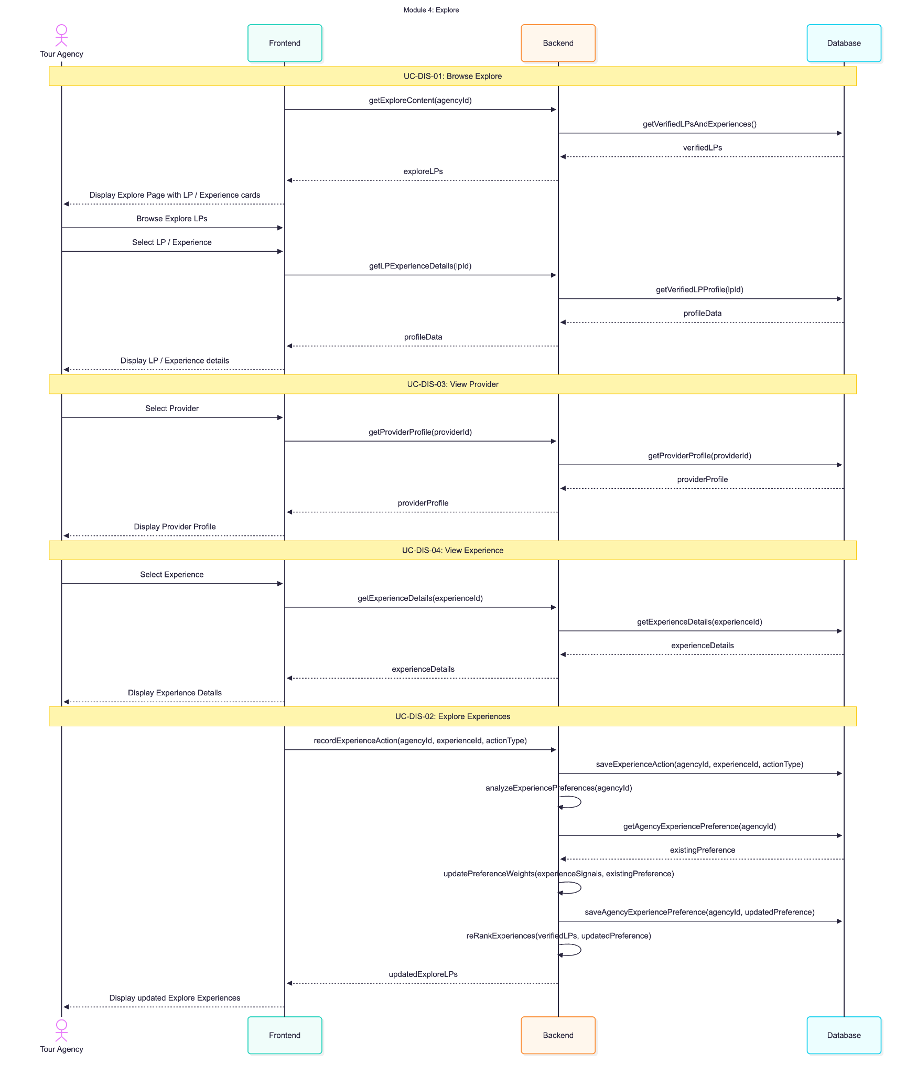

 |  |  |  |  |  |  | Figure 12: Explore Sequence Diagram - Tour Agency

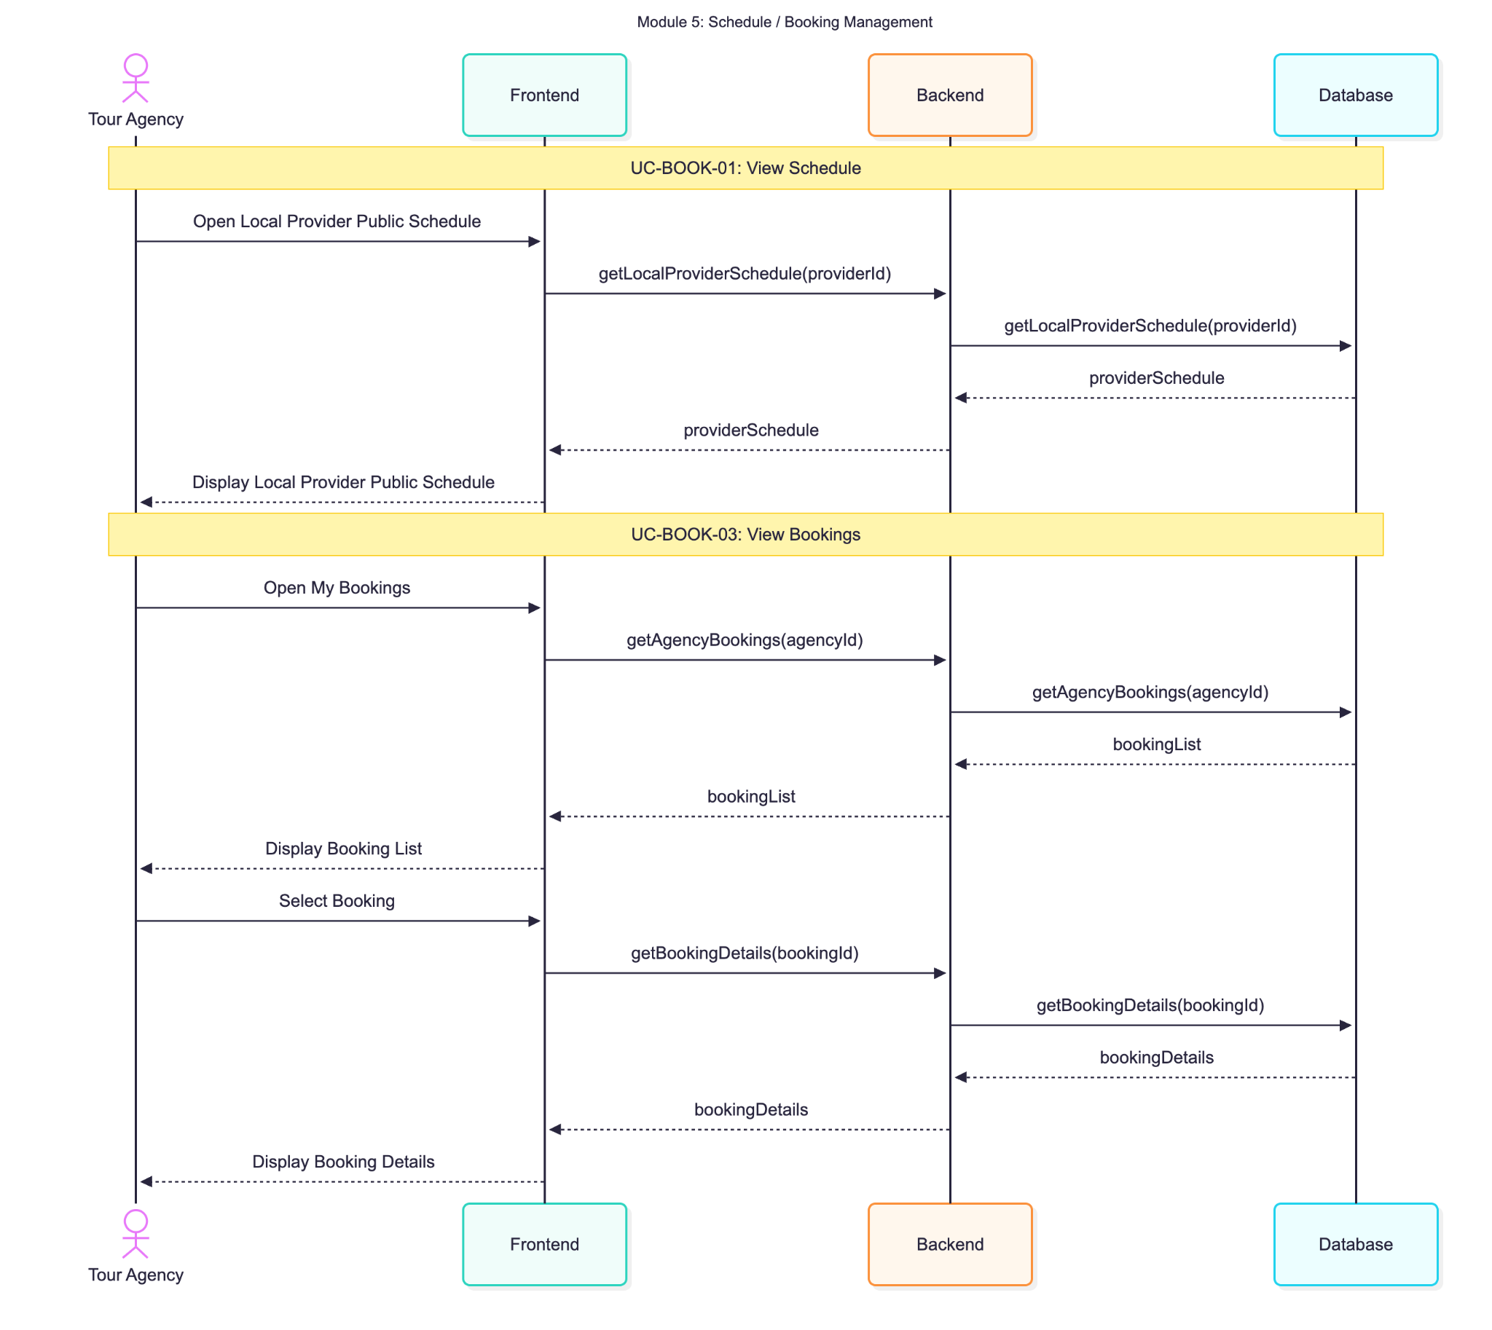

 |  |  |  | Figure 11: AI Tour Matching Sequence Diagram
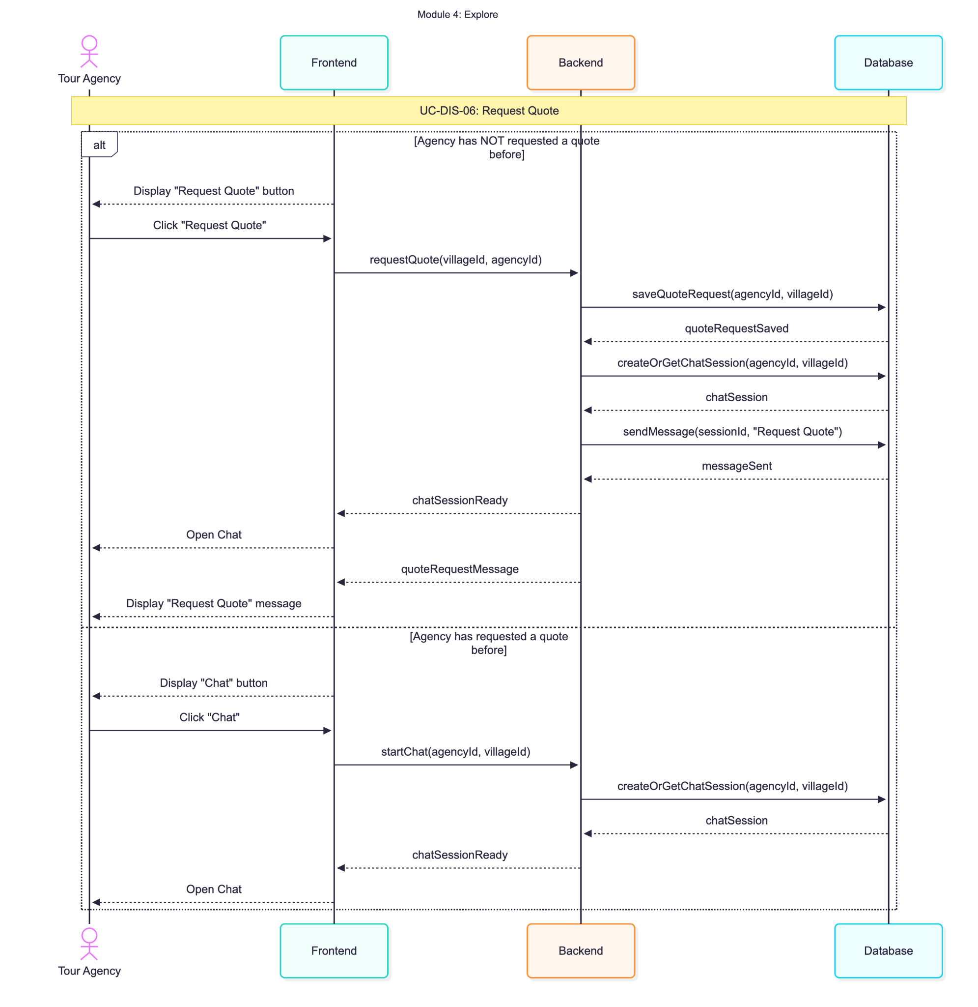

 |  |  |  |  |  |  | Figure 14: Booking Management Sequence Diagram - Tour Agency

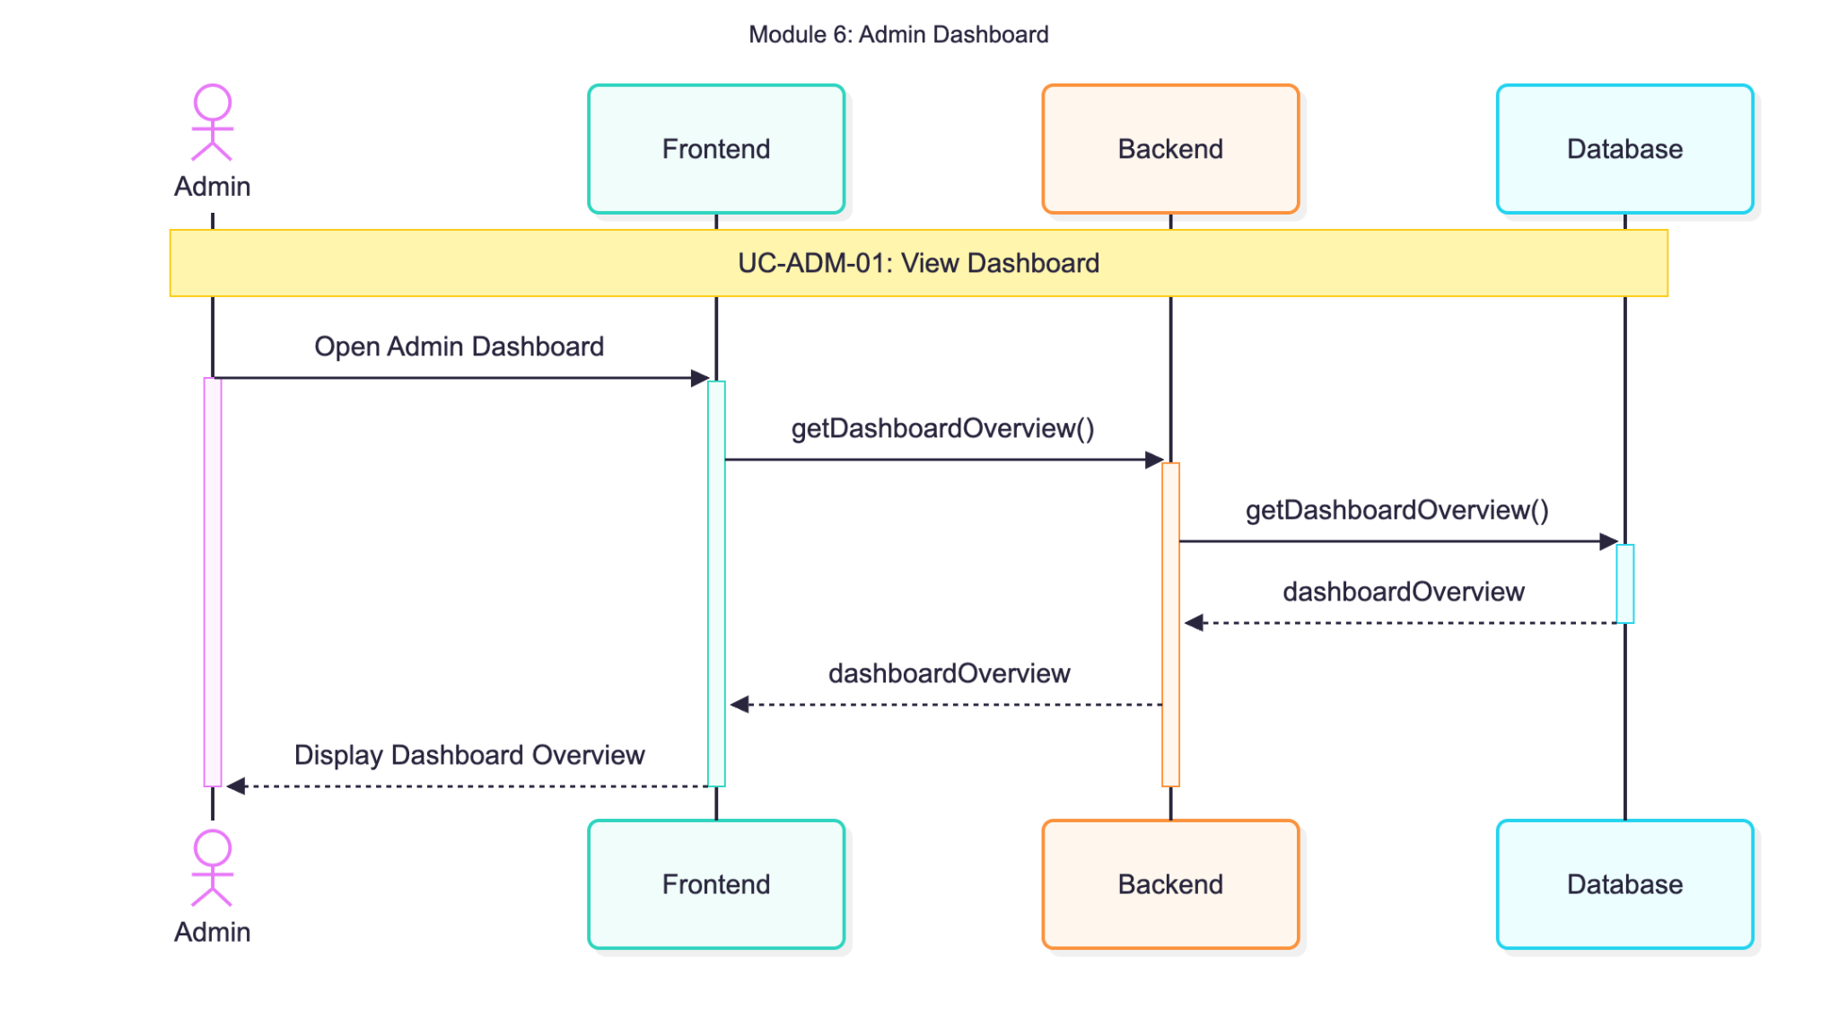

 |  |  |  | Figure 13: Request Quote Sequence Diagram - Tour Agency

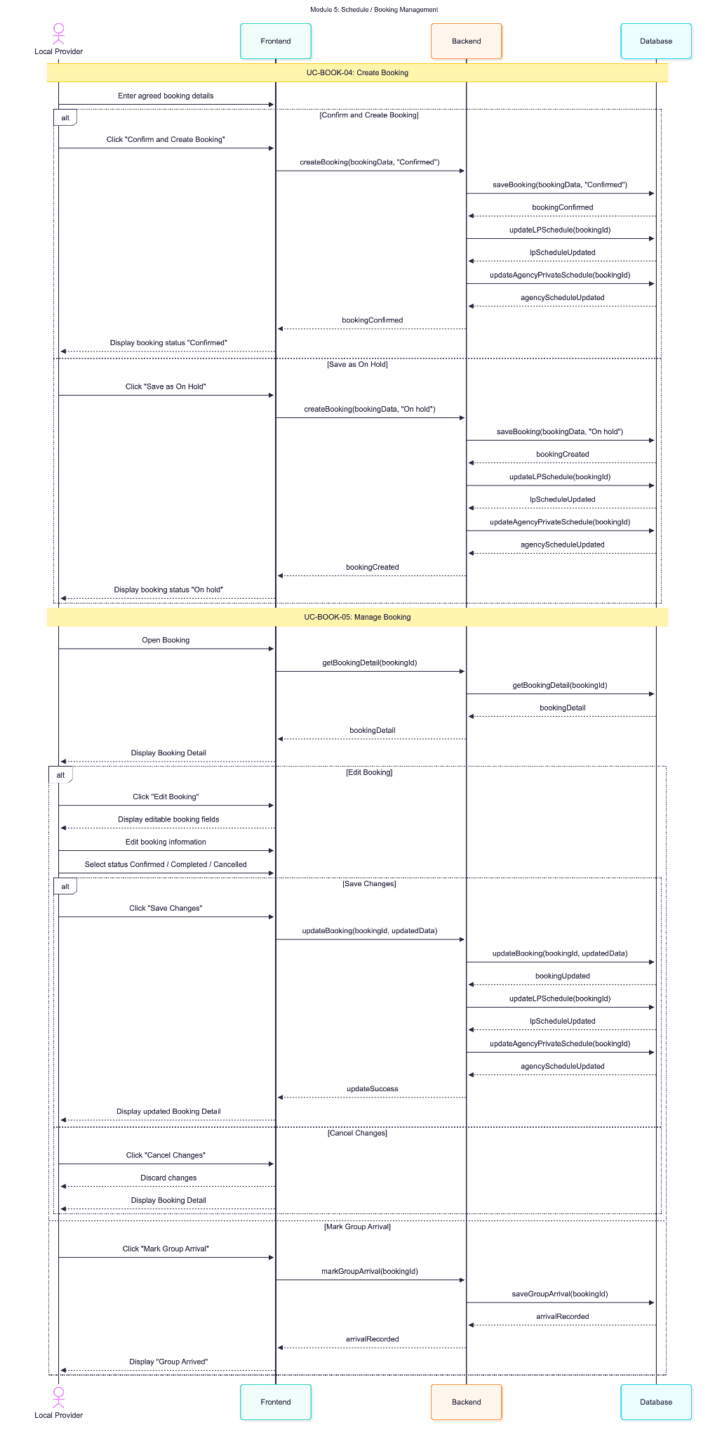
 |  |  |  |  |  |  |  | Figure 16: Admin Dashboard Sequence Diagram

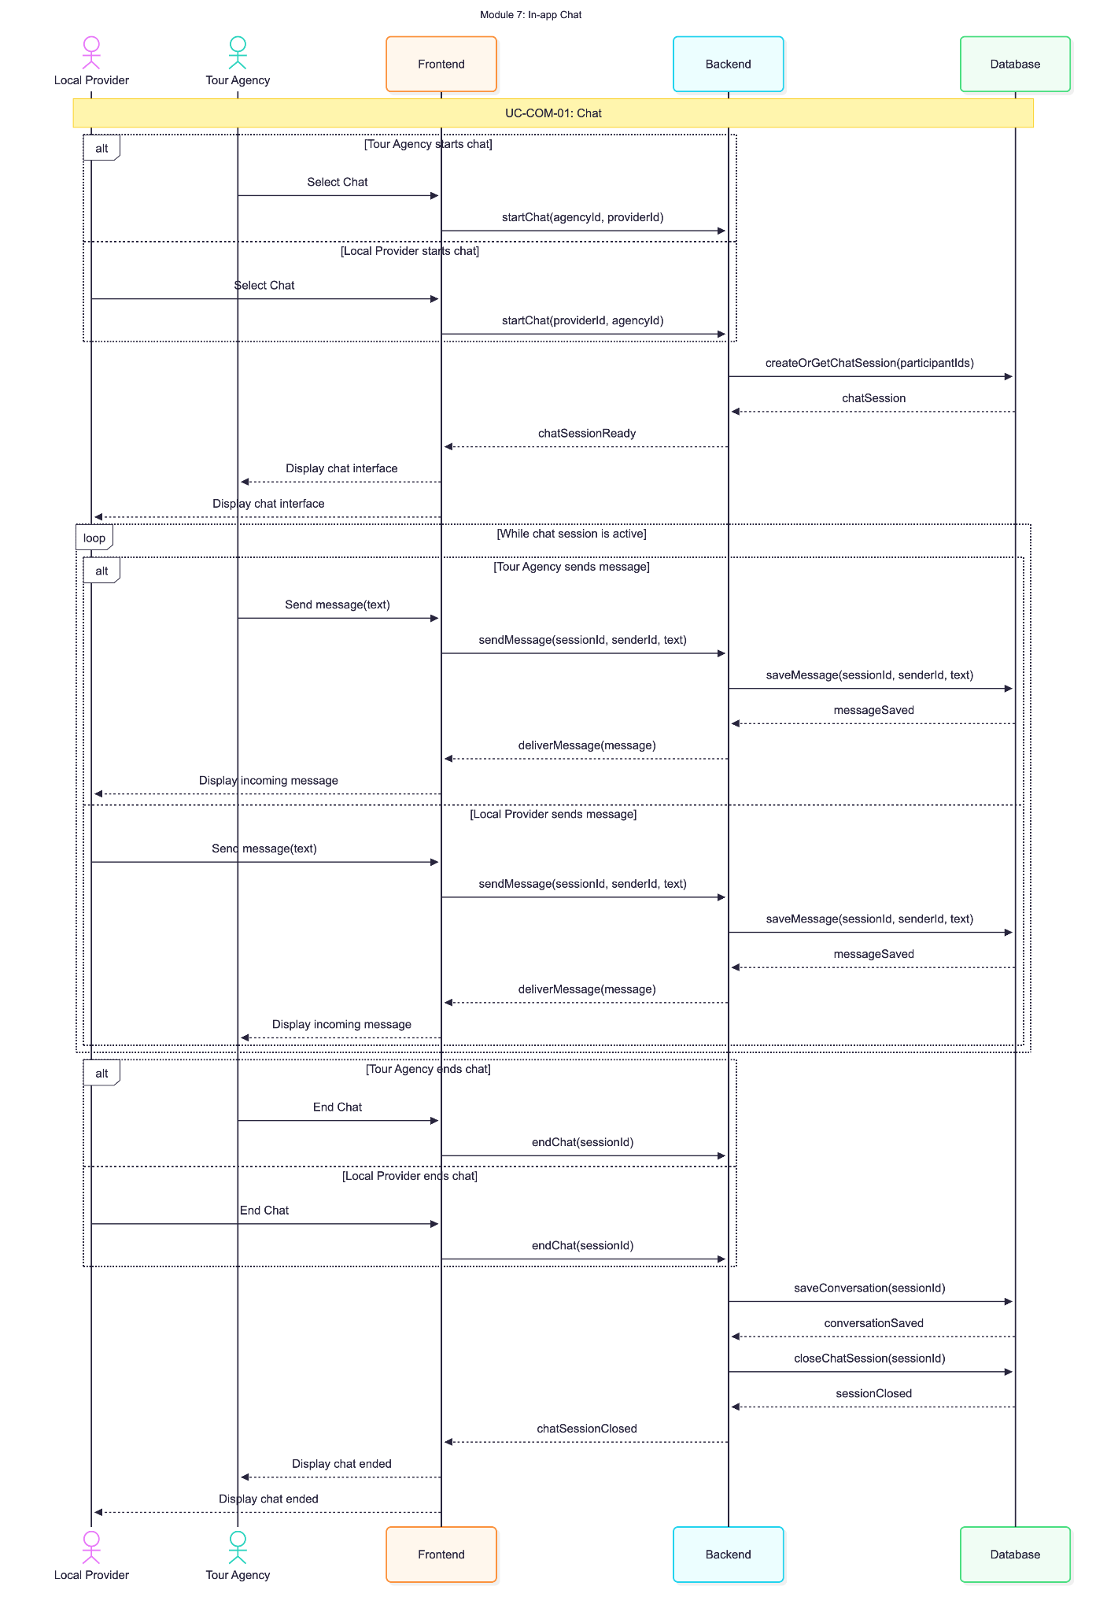

 |  |  | Figure 15: Booking Management Sequence Diagram - Local Provider |  |  |  |  | Figure 17: In-app Chat Sequence Diagram

